Sheet1
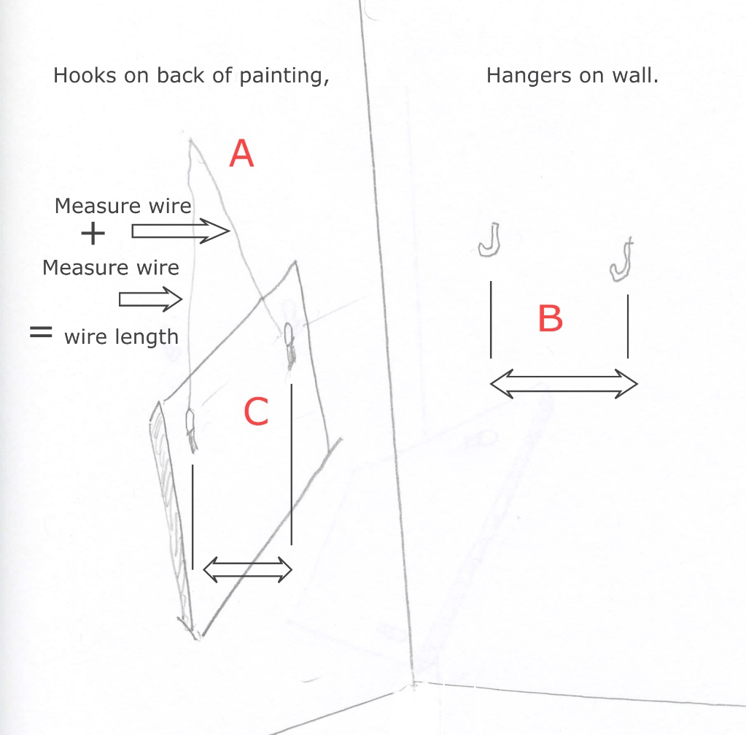
Hanging pictures from hooks
insert measurements into fields, results calculated in boxes

Black = ring hang; Blue & Black =wire hang
underline are results
wire length A (Hold wire at one point near middle, measure to each D ring on painting and add) | 33
distance between hangers on wall ("0" for 1 hanger) B | 16
distance between 'D' rings (hooks)on back of painting C | 28.25

height of piece with frame | 31.125
distance from top of frame to 'D' ring on back of piece | 6
center height on wall (height you want center of piece to be) | 60

height to install hooks for 'D' ring hang= | 69.5625

height to install hook(s) for wire hang (using above info) | 75.456087617
('D' ring plus height to wire)

distance of 'D' ring to edge of painting | 3
distance from edge to 1st hook for wire hang= | 9.125

